Audit tool
Audit tool
To audit your school, give each indicator a rating in column B and summarise supporting evidence in column D. If you need to do more to meet this standard, add it to your Action Plan by choosing 'Yes' in column C. Once you have rated each indicator, you will be able to download a logo for your school from the bottom of this spreadsheet For more resources to help you complete this audit, please visit
http://www.childhoodbereavementnetwork.org.uk/help-around-a-death/what-you-can-do/for-schools-professionals.aspx
Indicator | Rating | Add to action plan? | How do you know this is met? Supporting evidence…
1: Responding to a death in the school community

We have clear procedures for responding to the death of a pupil, staff member or someone important in a pupil's life, or to news that a death is expected | Please Select…
When a pupil has been bereaved, we check with the family how they would like the rest of the class to be informed | Please Select…
When a pupil has been bereaved, we offer them and their family choices about how they would like to be supported, and we review this over time | Please Select…
We provide or can access 1:1 support for bereaved pupils who need this | Please Select…
We provide or can access group support for bereaved pupils | Please Select…
We know how to apply for special consideration for pupils affected by terminal illness or bereavement close to an assessment or exam | Please Select…
2: Staff skills and confidence

All staff have the skills and confidence to respond appropriately to a bereaved child and to know where to get extra support, information or training | Please Select…
At least two of our members of staff have received training in bereavement awareness and are confident to support pupils and colleagues | Please Select…
A senior member of staff has overall responsibility for bereavement | Please Select…
Staff who teach topics of change, loss and bereavement feel confident and supported | Please Select…
Staff are supported through their own experiences of bereavement | Please Select…
3: Managing information

We know which of our pupils have been bereaved of a parent, sibling or someone else close to them, and this information is recorded and shared appropriately | Please Select…
We have an effective system for managing information about bereavements across transitions at the end of the year and between schools | Please Select…
4: Curriculum development

We have reviewed the areas in the curriculum where loss and bereavement can be covered | Please Select…
We teach about managing loss and bereavement at relevant points in the curriculum | Please Select…
When teaching these topics, we are sensitive to the impact on pupils who have personal experiences of bereavement | Please Select…
We have books in the library that address themes of coping with loss and bereavement | Please Select…
5: Partnerships

We have made contact with our local child bereavement service | Please Select…
We know where we would get extra bereavement support for a pupil | Please Select…
We work with other local schools to improve support for bereaved pupils (e.g. joint training, peer support, transition planning) | Please Select…

This Growing in Grief Awareness framework has been produced by the Childhood Bereavement Network (CBN). CBN is hosted by the National Children's Bureau, registered charity no 258825. With thanks to the Anti-Bullying Alliance for help in developing this framework. For more information about our work, please visit | 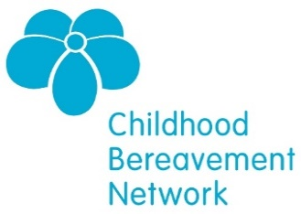 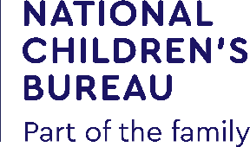
www.childhoodbereavementnetwork.org.uk

Action plan
Action plan
Indicators you selected in the audit will appear here. Decide what actions your school needs to take to make progress in this area: you can add more rows if you need them Include a due date and who the task is delegated to, and update when it is completed. For resources to help you with your actions, please visit
http://www.childhoodbereavementnetwork.org.uk/help-around-a-death/what-you-can-do/for-schools-professionals.aspx
Actions to make progress | Who will do this? | By when? | Complete?
 |  |  |  | Yes1
Actions…

 |  |  |  | Yes2
Actions…

 |  |  |  | Yes3
Actions…

 |  |  |  | Yes4
Actions…

 |  |  |  | Yes5
Actions…

 |  |  |  | Yes6
Actions…

 |  |  |  | Yes7
Actions…

 |  |  |  | Yes8
Actions…

 |  |  |  | Yes9
Actions…

 |  |  |  | Yes10
Actions…

 |  |  |  | Yes11
Actions…

 |  |  |  | Yes12
Actions…

 |  |  |  | Yes13
Actions…

 |  |  |  | Yes14
Actions…

 |  |  |  | Yes15
Actions…

This Growing in Grief Awareness framework has been produced by the Childhood Bereavement Network (CBN). CBN is hosted by the National Children's Bureau, registered charity no 258825. With thanks to the Anti-Bullying Alliance for help in developing this framework. For more information about our work, please visit | 
www.childhoodbereavementnetwork.org.uk

